Sheet1
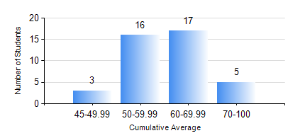
 |  |  | KWAME NKRUMAH UNIVERSITY OF SCIENCE AND TECHNOLOGY, KUMASI Department of Mechanical Engineering

 |  |  | BSC. AUTOMOBILE ENG.

 |  |  | COMPREHENSIVE RECORD OF EXAMINATION RESULTS

 |  |  | RESULTS OF YEAR 1 FIRST SEMESTER, 2019/2020 ACADEMIC YEAR

 | Sn | Course Code |  | Course Name | Credit Hours | Min. Mark | Max. Mark | Avg. Mark | Std. Dev. | No. Passed | No. Trailed | No. (Df) | No. (I) | No. (I*) | No. Tagged(I,I*,Df) | Total
 | 1. | CE 155 |  | ENVIRONMENTAL STUDIES | 2 | 49 | 92 | 65 | 9.7 | 41 | 0 | 0 | 0 | 0 | 0 | 41
 | 2. | EE 151 |  | APPLIED ELECTRICITY | 3 | 42 | 94 | 69 | 12.8 | 41 | 0 | 0 | 0 | 0 | 0 | 41
 | 3. | ENGL 157 |  | COMMUNICATION SKILLS I | 2 | 12 | 72 | 54 | 10.09 | 40 | 1 | 0 | 0 | 0 | 0 | 41
 | 4. | MATH 151 |  | ALGEBRA | 4 | 43 | 84 | 64 | 9.77 | 41 | 0 | 0 | 0 | 0 | 0 | 41
 | 5. | ME 159 |  | TECHNICAL DRAWING | 2 | 40 | 77 | 57 | 7.93 | 41 | 0 | 0 | 0 | 0 | 0 | 41
 | 6. | ME 168 |  | COMPUTER PROGRAMMING FOR ENGINEERS | 2 | 18 | 80 | 56 | 14.94 | 39 | 2 | 0 | 0 | 0 | 0 | 41
 | 7. | ME 195 |  | ENGINEERING TECHNOLOGY I | 2 | 14 | 67 | 54 | 8.65 | 40 | 1 | 0 | 0 | 0 | 0 | 41

